Carbohydrate
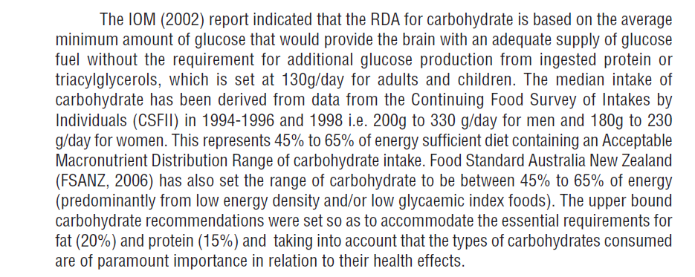
Gender | Age Group | Lower RNI (g/day) | Upper RNI (g/day)
m | 10-12 | 50
m | 13-15 | 50
m | 16-18 | 50
m | 19-29 | 50 | 330
m | 30-59 | 50 | 330
m | >=60 | 50 | 330
f | 10-12 | 50
f | 13-15 | 50
f | 16-18 | 50
f | 19-29 | 50 | 230
f | 30-59 | 50 | 230
f | >=60 | 50 | 230

Protein
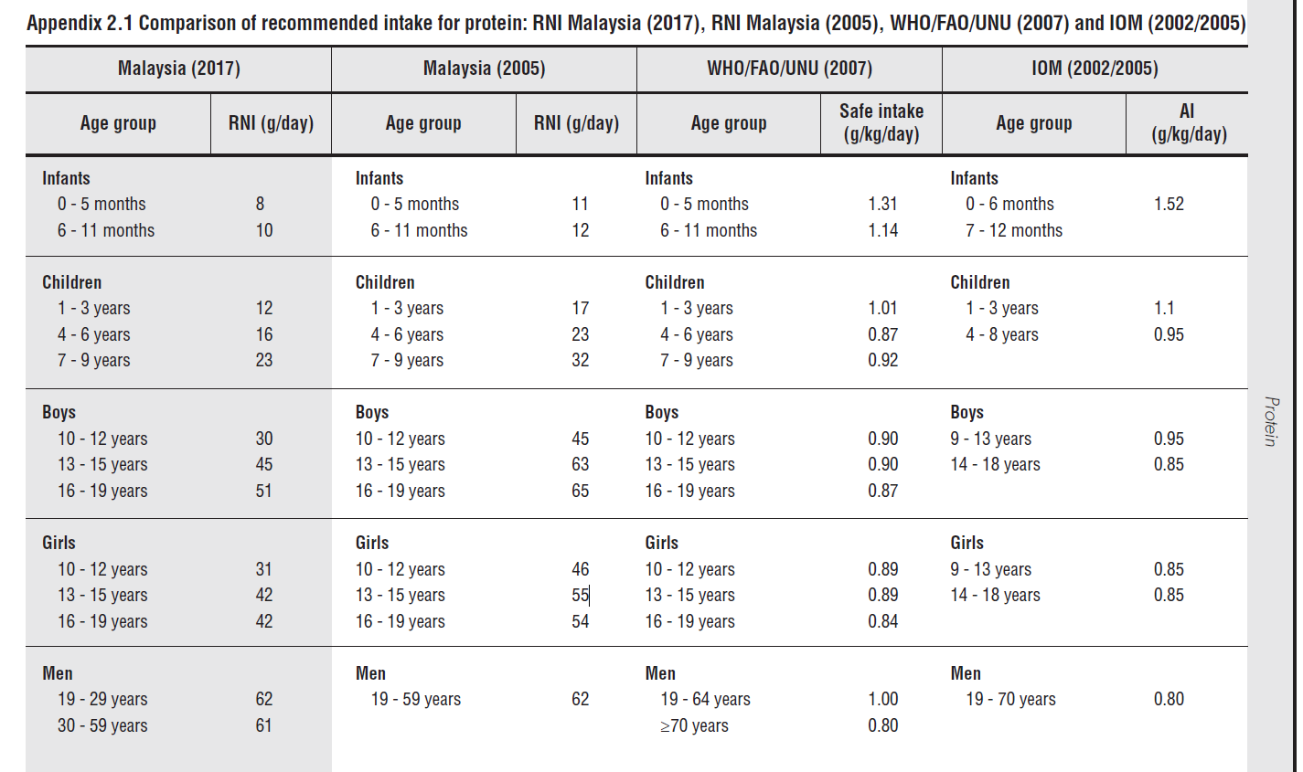
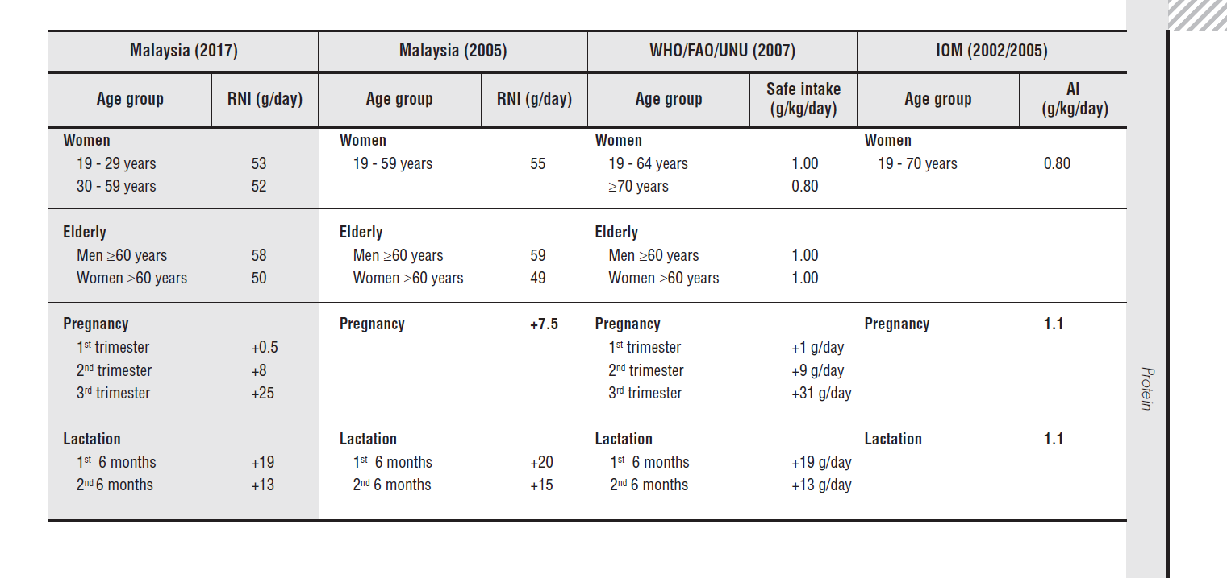
Gender | Age Group | Lower Limit (g/day) | Upper Limit (g/day)
m | 10-12 | 30 | MyFitnessPal value
m | 13-15 | 45
m | 16-19 | 51
m | 19-29 | 62
m | 30-59 | 61
m | >=60 | 58
f | 10-12 | 31
f | 13-15 | 42
f | 16-19 | 42
f | 19-29 | 53
f | 30-59 | 52
f | >=60 | 50

Sodium
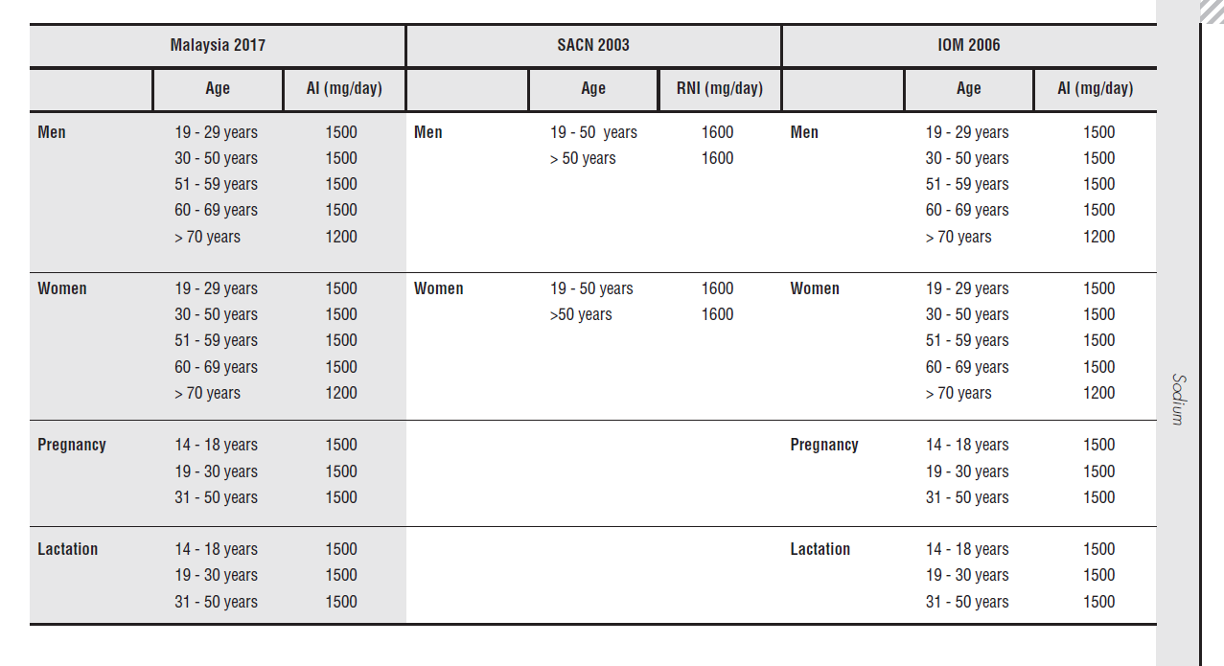
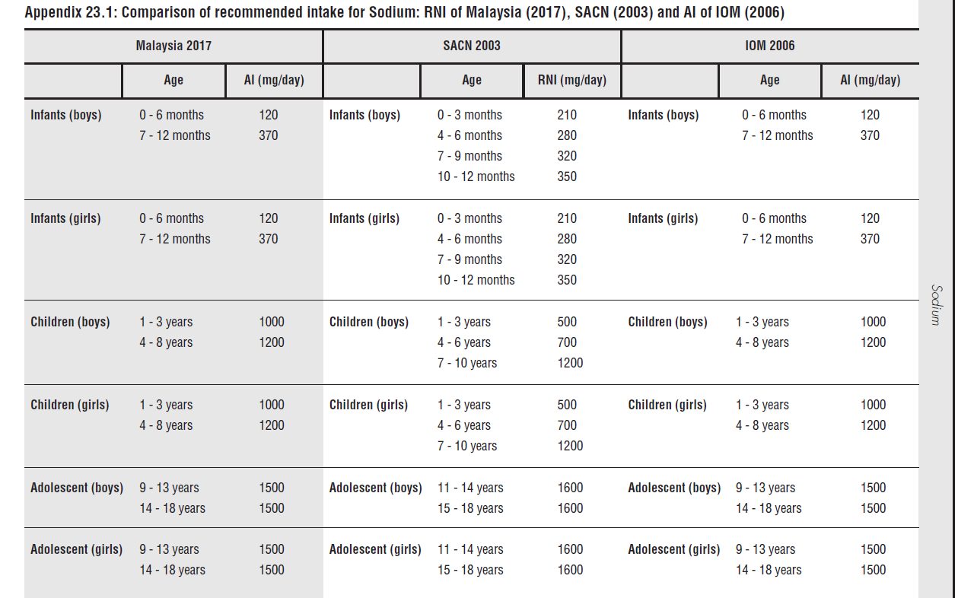
Gender | Age Group | Lower RNI (mg/day) | Upper RNI (mg/day)
m | 9-13 | 350 | 2000
m | 14-18 | 350 | 2000
m | 19-29 | 350 | 2000
m | 30-59 | 350 | 2000
m | 60-69 | 350 | 2000
m | >70 | 350 | 2000
f | 9-13 | 350 | 2000
f | 14-18 | 350 | 2000
f | 19-29 | 350 | 2000
f | 30-59 | 350 | 2000
f | 60-69 | 350 | 2000
f | >70 | 350 | 2000

Potassium
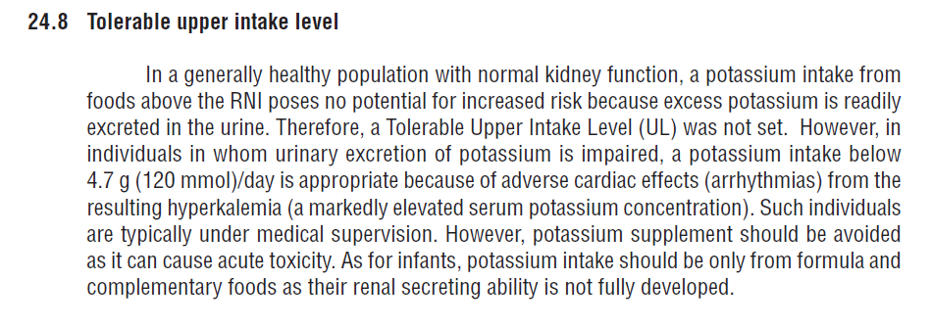
Gender | Age Group | Lower RNI (g/day) | Upper Limit
m | 9-13 | 0 | MyFitnessPal value
m | 14-18
m | 19-30
m | 31-50
m | 51-60
m | >60
f | 9-13
f | 14-18
f | 19-30
f | 31-50
f | 51-60
f | >60

Dietry Fibre
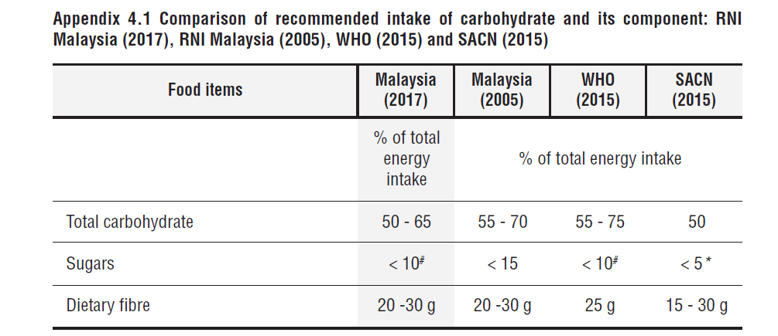
Gender | Age Group | Lower RNI (g/day) | Upper Limit
m | 10-12 | 20 | MyFitnessPal value
m | 13-15 | 20
m | 16-18 | 20
m | 19-29 | 20
m | 30-59 | 20
m | >=60 | 20
f | 10-12 | 20
f | 13-15 | 20
f | 16-18 | 20
f | 19-29 | 20
f | 30-59 | 20
f | >=60 | 20

Vitamin A
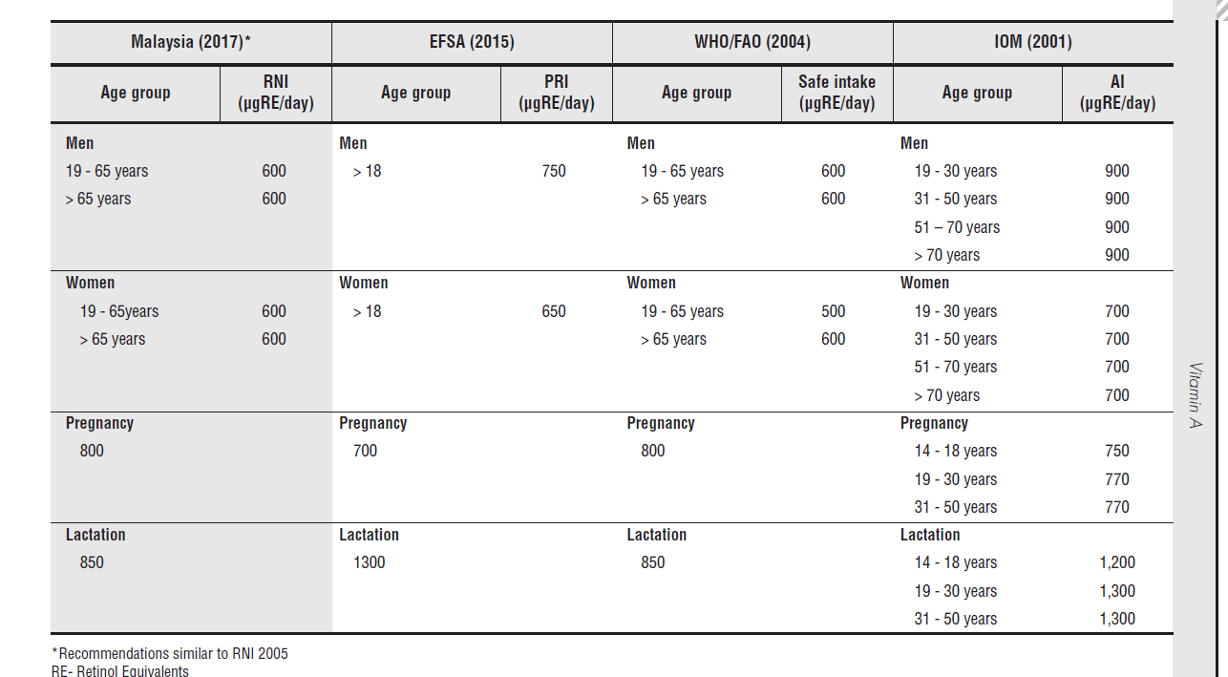
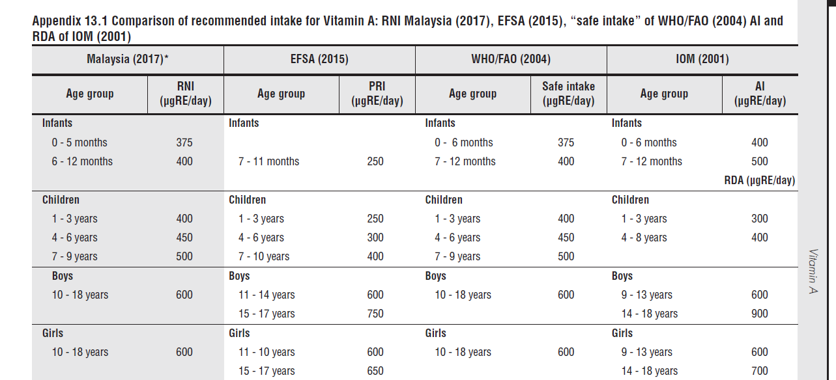
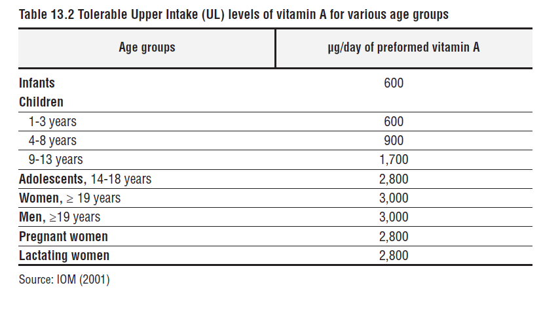
Lower Limit
Gender | Age Group | RNI(microgram/day)
m | 10-18 | 600
m | 19-65 | 600
m | >65 | 600
f | 10-18 | 600
f | 19-65 | 600
f | >65 | 600

Upper Limit
Gender | Age Group | RNI(microgram/day)
m | 9-13 | 1700
m | 14-18 | 2800
m | >=19 | 3000
f | 9-13 | 1700
f | 14-18 | 2800
f | >=19 | 3000

Vitamin C
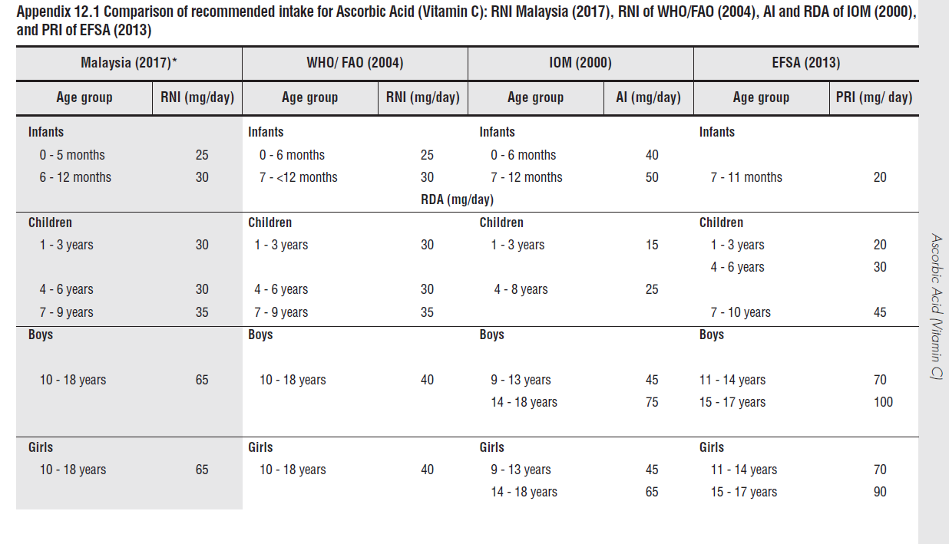
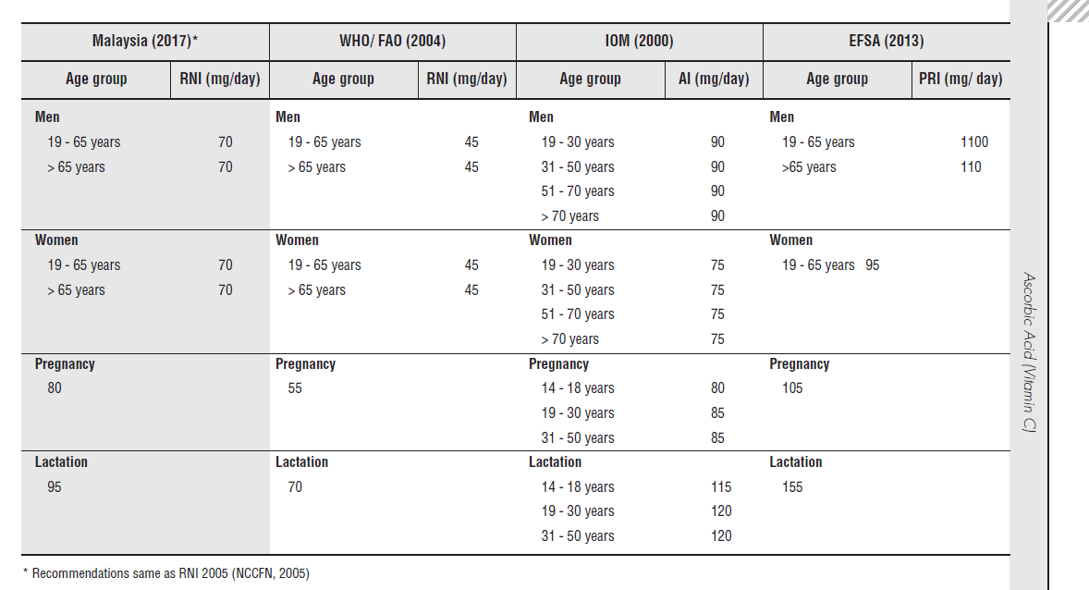
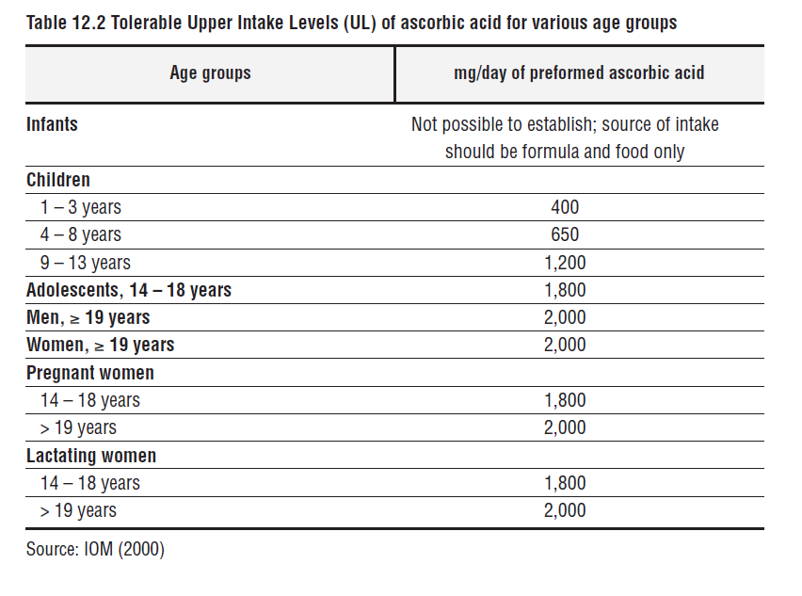
Lower Limit
Gender | Age Group | RNI (mg/day)
m | 10-18 | 65
m | 19-65 | 70
m | >65 | 70
f | 10-18 | 65
f | 19-65 | 70
f | >65 | 70

Upper Limit
Gender | Age Group | RNI(mg/day)
m | 9-13 | 1200
m | 14-18 | 1800
m | >=19 | 2000
f | 9-13 | 1200
f | 14-18 | 1800
f | >=19 | 2000

Calcium
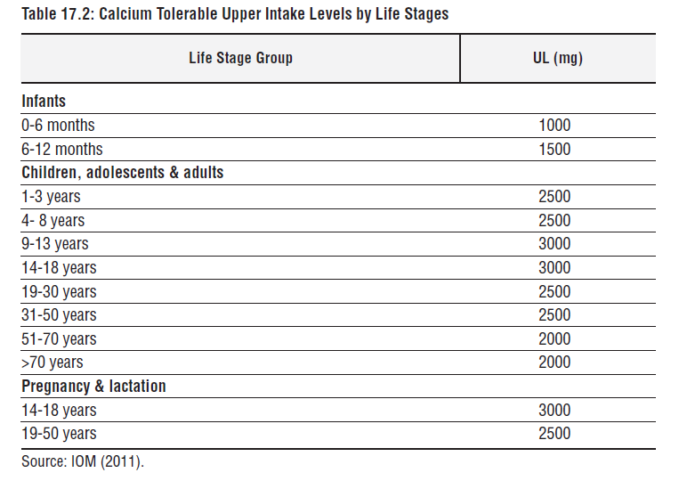
Gender | Age Group | Lower RNI (mg/day)
m | 1-3 | 700
m | 4-9 | 700
m | 10-19 | 700
m | 20-49 | 700
m | >=50 | 700
f | 1-3 | 700
f | 4-9 | 700
f | 10-19 | 700
f | 20-49 | 700
f | >=50 | 700

Gender | Age Group | Upper RNI (mg/day)
m | 1-3 | 2500
m | 4-9 | 2500
m | 10-19 | 3000
m | 20-49 | 2500
m | >=50 | 2000
f | 1-3 | 2500
f | 4-9 | 2500
f | 10-19 | 3000
f | 20-49 | 2500
f | >=50 | 2000

Iron
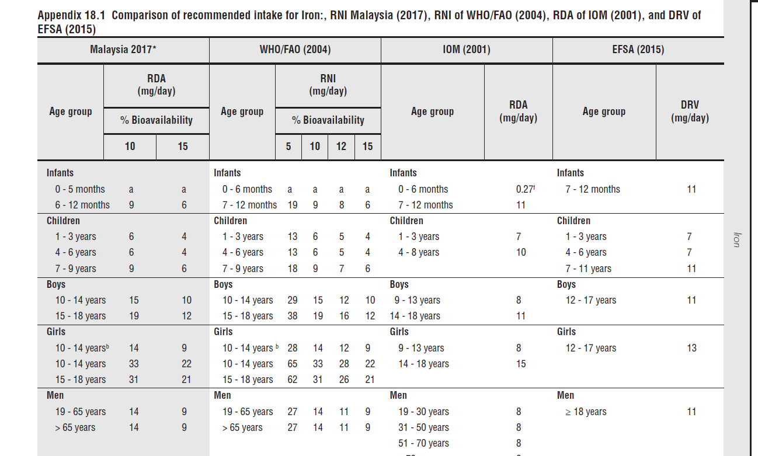
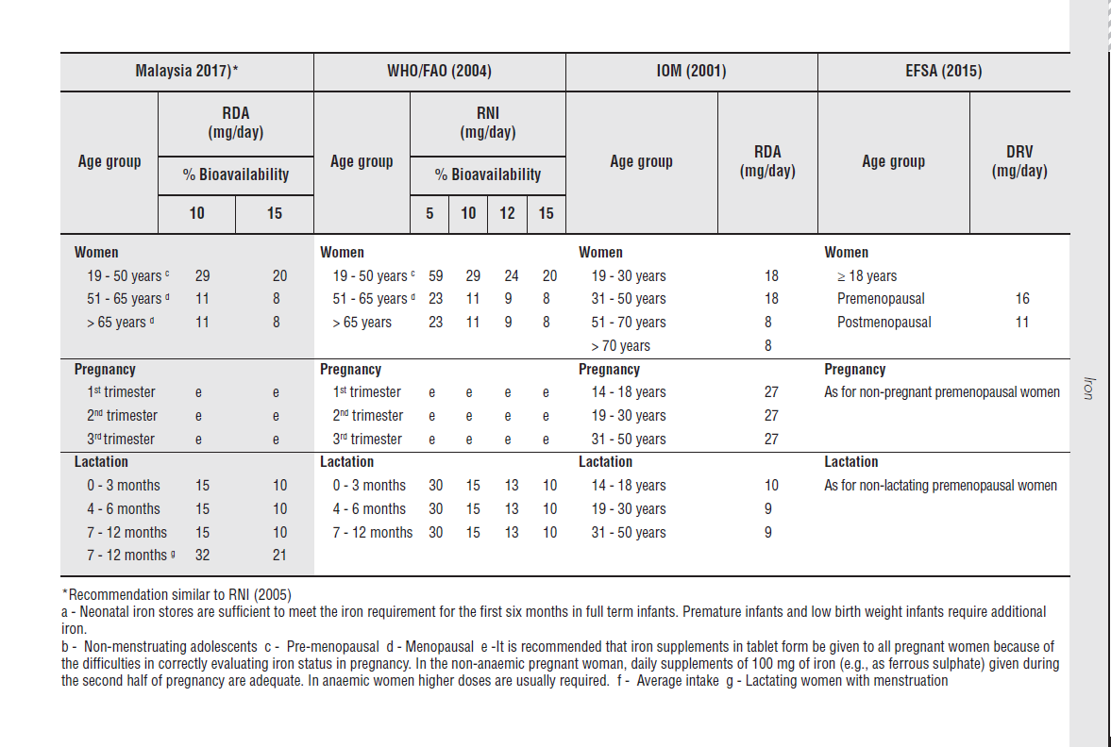
Lower Limit
Gender | Age Group | RNI (mg/day)
m | 10-14 | 10
m | 15-18 | 12
m | 19-65 | 9
m | >65 | 9
f | 10-14 | 9
f | 15-18 | 21* / 14.5 | *For Menstruation Female
f | 19-50 | 20* / 14.5 | *For Menstruation Female
f | 51-65 | 8
f | >65 | 8

Upper Limit
Gender | Age Group | RNI (mg/day)
m | 0-13 | 40
m | >=14 | 45
f | 0-13 | 40
f | >=14 | 45

